GPU Options
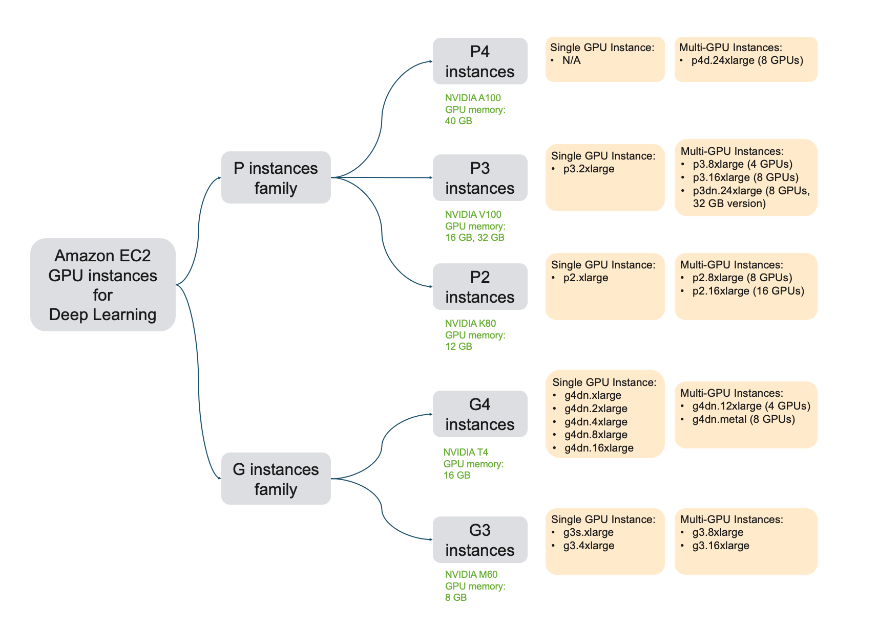
https://towardsdatascience.com/choosing-the-right-gpu-for-deep-learning-on-aws-d69c157d8c86

